Sheet1
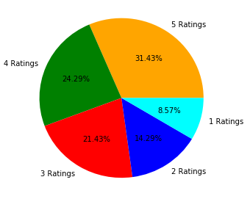
HOUSE AND CUSTOMERS ANALYSIS DASHBOARD

Males vs. Females vs. Firms | No. Of Apartments Sold In Each Month
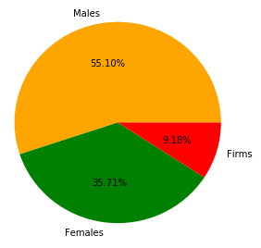 | 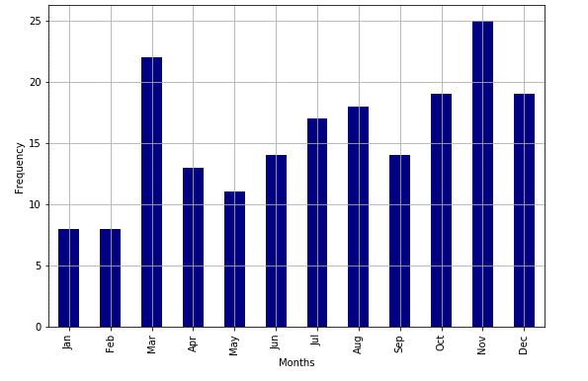

Deal Satisfaction Ratio (Males)
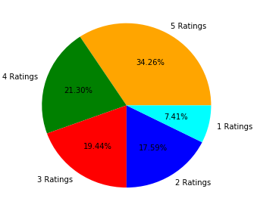

 | Overall Deal Satisfaction Of Customers | Area (sq.ft) Of House [X] vs. Price Of House [Y]
Deal Satisfaction Ratio (Females) | 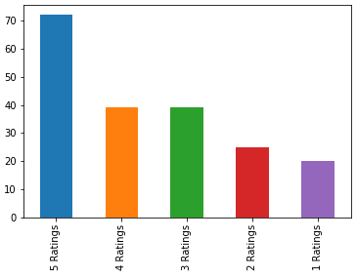 | 